Example
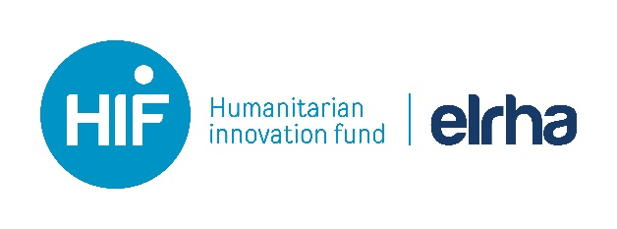 |  |  | Note: Likelihood and Impact scale is 1-5, with 1 being low risk and 5 being high risk

RISK FACTOR |  | CURRENT ISSUES | TREND | LIKELIHOOD | IMPACT | RISK RATING | RISK LEVEL | MITIGATING ACTIONS | RESPONSIBLE PERSON | DATE | COMPLETED
1 | Affected Population
1.1 | Research with vulnerable groups | Unsure if we need ethical sign off for current monitoring and evaluation plan | Steady | 2 | 4 | 10 | M | Check with ethics committee
1.2 | Likelihood of further displacement | Increased conflict in town x is leading to more people moving into x region | Upwards | 5 | 3 | 20 | H | Preparedness plan to be put into action
1.3 |  |  |  |  |  | 0 | X
2 | Sector
2.1 | Security | Local police commissioner is requiring us to use armed close protection. Other NGOs are refusing to do this. We do not want to compromise the joint approach. | Upwards | 4 | 4 | 20 | H | Update security assessment. Bring topic up for discussion in next security forum meeting to try and establish advocacy to local policy commissioner about joint approach
2.2 | Innovation project | Performance of innovation is working well. Other humanitarian agencies being questioned by community leaders on why they don't have access to a similar service | Upwards | 4 | 2 | 12 | M | Work with other agencies on CwC approach to better inform them of the 'experimental nature' of the project and that if it is a success there'll be opportunities for other agencies to use it.
2.3 |  |  |  |  |  | 0 | X
3 | Oganisation
3.1 | Finances | Funding shortfall for next quarter in overall programme budget could lead to the need for cuts. However, this threat is less than the last reporting period. | Downwards | 1 | 2 | 3 | L | Prepare revised budget, step up attempts to access additional external funding
3.2 | Operations | Constant changes (pivots) in our pilot is impacting other projects access to vehicles and logistics | Steady | 2 | 1 | 4 | L | Joint operations planning meetings between Operations, Programmes and the Innovation team to try to come to solution
3.3 |  |  |  |  |  | 0 | X
4 | Innovation Project
4.1 | Team | Turnover. Needing to on board two new staff members. Risk has reduced as we have covered the existing gaps | Downwards | 1 | 2 | 3 | L | Buddy system being used to help with orientation
4.2 | Logistics | Still waiting for the generator. Impacting ability for project team to carry out work due to sporadic electricity | Upwards | 4 | 2 | 12 | M | Identifying if we can rent/share one from a shop in town, or another agency while we wait.
4.3 |  |  |  |  |  | 0 | X

